Sheet1
Paper | Resumen | Ventajas/desventajas | Notas | Codigo referencia LaTeX | Código abierto? | Dataset usado | Tiempo de entrenamiento | Plataforma de computo
Goodfellow, Ian J., et al. "Generative adversarial networks." arXiv preprint arXiv:1406.2661 (2014). | A new framework for estimating generative models via an adversarial process. Deep generative models have had less of an impact, due to the difficulty of approximating many intractable probabilistic computations that arise in maximum likelihood estimation and related strategies, and due to difficulty of leveraging the benefits of piecewise linear units in the generative context. We propose a new generative model estimation procedure that sidesteps these difficulties. Compared to GSNs, the adversarial nets framework does not require a Markov chain for sampling. Because adversarial nets do not require feedback loops during generation, they are better able to leverage piecewise linear units. The advantages are that Markov chains are never needed, only backprop is used to obtain gradients, no inference is needed during learning, and a wide variety of functions can be incorporated into the model. The aforementioned advantages are primarily computational. Adversarial models may also gain some statistical advantage from the generator network not being updated directly with data examples, but only with gradients flowing through the discriminator. This means that components of the input are not copied directly into the generator’s parameters. Another advantage of adversarial networks is that they can represent very sharp, even degenerate distributions, while methods based on Markov chains require that the distribution be somewhat blurry in order for the chains to be able to mix between modes. | In Figures 2 and 3 we show samples drawn from the generator net after training. While we make no claim that these samples are better than samples generated by existing methods, we believe that these samples are at least competitive with the better generative models in the literature and highlight the potential of the adversarial framework. The disadvantages are primarily that there is no explicit representation of pg(x), and that D must be synchronized well with G during training (in particular, G must not be trained too much without updating D, in order to avoid “the Helvetica scenario”). Efficiency improvements: training could be accelerated greatly by divising better methods for coordinating G and D or determining better distributions to sample z from during training. | 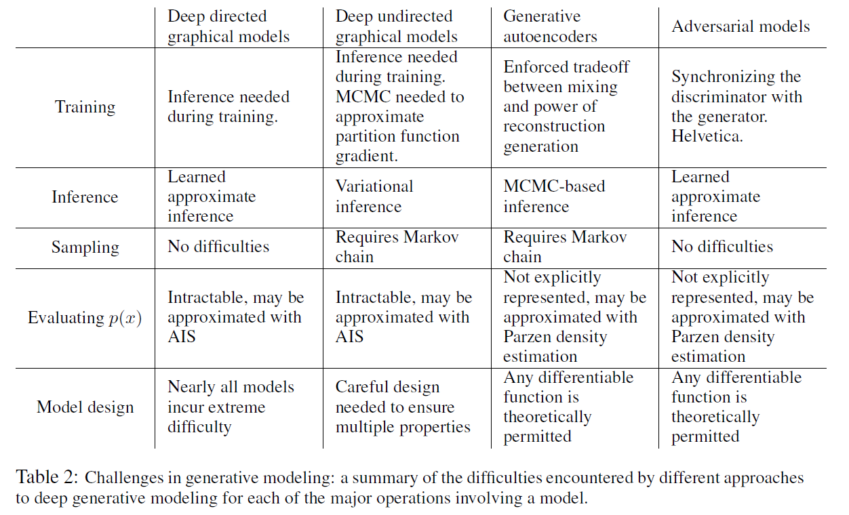 | @article{goodfellow2014generative, title={Generative adversarial networks}, author={Goodfellow, Ian J and Pouget-Abadie, Jean and Mirza, Mehdi and Xu, Bing and Warde-Farley, David and Ozair, Sherjil and Courville, Aaron and Bengio, Yoshua}, journal={arXiv preprint arXiv:1406.2661}, year={2014} }
Yu, Jiahui, et al. "Generative image inpainting with contextual attention." Proceedings of the IEEE conference on computer vision and pattern recognition. 2018. | Experiments on multiple datasets including faces (CelebA, CelebA-HQ), textures (DTD) and natural images (ImageNet, Places2) demonstrate that our proposed approach generates higher-quality inpainting results than existing ones. Early works [3, 13] attempted to solve the problem using ideas similar to texture synthesis [9, 10], i.e. by matching and copying background patches into holes starting from low-resolution to high-resolution or propagating from hole boundaries. These approaches work well especially in background inpainting tasks, and are widely deployed in practical applications [3]. However, as they assume missing patches can be found somewhere in background regions, they cannot hallucinate novel image contents for challenging cases where inpainting regions involve complex, nonrepetitive structures (e.g. faces, objects). Moreover, these methods are not able to capture high-level semantics. We present a unified feed-forward generative network with a novel contextual attention layer for image inpainting. Experiments on multiple datasets including faces, textures and natural images demonstrate that the proposed approach generates higher-quality inpainting results than existing ones. We introduce several techniques including inpainting network enhancements, global and local WGANs [12] and spatially discounted reconstruction loss to improve the training stability and speed based on the current the state-of-the-art generative image inpainting network [15]. As a result, we are able to train the network in a week instead of two months. Our unified feed-forward generative network achieves high-quality inpainting results on a variety of challenging datasets including CelebA faces [26], CelebAHQ faces [20], DTD textures [6], ImageNet [32] and Places2 [41]. Attention propagation significantly improves inpainting results in testing and enriches gradients in training. We showed that the contextual attention module significantly improves image inpainting results by learning | As a future work, we plan to extend the method to very high-resolution inpainting applications using ideas similar to progressive growing of GANs [20]. Like other image generation tasks, image inpainting lacks good quantitative evaluation metrics. Inception score [33] introduced for evaluating GAN models is not a good metric for evaluating image inpainting methods as inpainting mostly focuses on background filling (e.g. object removal case), not on its ability to generate a variety classes of objects. As shown in Figure 8, for a very different test image pair, appearance flow returns very similar attention maps, meaning that the network may stuck in a bad local minima. To improve results of appearance flow, we also investigated ideas of multiple attention aggregation and patch-based attention. None of these ideas work well enough to improve the inpainting results. Also, we show the results with the spatial transformer network [17] as attention in our framework in Figure 8. As shown in the figure, STN-based attention does not work well for inpainting as its global affine transformation is too coarse. | The core idea of contextual attention is to use the features of known patches as convolutional filters to process the generated patches. The contextual attention module also has spatial propagation layer to encourage spatial coherency of attention. | @inproceedings{yu2018generative, title={Generative image inpainting with contextual attention}, author={Yu, Jiahui and Lin, Zhe and Yang, Jimei and Shen, Xiaohui and Lu, Xin and Huang, Thomas S}, booktitle={Proceedings of the IEEE conference on computer vision and pattern recognition}, pages={5505--5514}, year={2018} }
Bertalmio, Marcelo, et al. "Image inpainting." Proceedings of the 27th annual conference on Computer graphics and interactive techniques. 2000. | Introduces a novel algorithm for inpainting which attempts to replicate the techniques used by professional restorators. As a preprocessing step, the original image undergoes anisotropic diffusion smoothing. The basic idea is to smoothly propagate information from the surrounding areas in the isophotes direction. Processes images in a matter of minutes. Makes extensive use of Partial Differential Equations. | After user selects region to be inpainted, the algorithm automatically fills in the region - does not require the user to specify where the novel information comes from. It has no limitations on the topology of the region to be inpainted or the complexity of the image. It is "robust". Can inpaint multiple regions in the same image. /// If the mask (user input) covers most of the relevant information, results are not good. Has problems handling large textured regions. |  | @inproceedings{bertalmio2000image, title={Image inpainting}, author={Bertalmio, Marcelo and Sapiro, Guillermo and Caselles, Vincent and Ballester, Coloma}, booktitle={Proceedings of the 27th annual conference on Computer graphics and interactive techniques}, pages={417--424}, year={2000} }
Lange, Sascha, and Martin Riedmiller. "Deep auto-encoder neural networks in reinforcement learning." The 2010 International Joint Conference on Neural Networks (IJCNN). IEEE, 2010. | Uses deep auto-enconder NNs in visual RL tasks. Studies the properties of the feature spaces created by deep auto-encoders and the data efficiency of the method. Good topology of the encoder part. Said feature spaces are shown to learn useful policies. Methods for improving the topology of the feature space are proposed. Uses synthesized and real images. | Optimizes the topology in the feature space. Automates the extraction of descriptive local features. Results do not need extensive adjustments of parameters. Improves data efficiency and the speed of the learning process. Can deal with complex, high-dimensional observations. Is robust under image noise. Can be applied to classification or regression with good results. /// The use of the automatically constructed feature space may not learn good policies for real images. Highly dependant on the number of samples during training and the exploration strategy used. Not good on systems that require complex policies, such as time-dependent systems. |  | @inproceedings{lange2010deep, title={Deep auto-encoder neural networks in reinforcement learning}, author={Lange, Sascha and Riedmiller, Martin}, booktitle={The 2010 International Joint Conference on Neural Networks (IJCNN)}, pages={1--8}, year={2010}, organization={IEEE} }
Vaswani, Ashish, et al. "Attention is all you need." Advances in neural information processing systems. 2017. |  |  |  | @inproceedings{vaswani2017attention, title={Attention is all you need}, author={Vaswani, Ashish and Shazeer, Noam and Parmar, Niki and Uszkoreit, Jakob and Jones, Llion and Gomez, Aidan N and Kaiser, {\L}ukasz and Polosukhin, Illia}, booktitle={Advances in neural information processing systems}, pages={5998--6008}, year={2017} }
Triantakonstantis, Dimitrios, and Giorgos Mountrakis. "Urban growth prediction: a review of computational models and human perceptions." (2012). |  |  |  | @article{triantakonstantis2012urban, title={Urban growth prediction: a review of computational models and human perceptions}, author={Triantakonstantis, Dimitrios and Mountrakis, Giorgos}, year={2012}, publisher={Scientific Research Publishing} }
Durlauf, S., & Blume, L. E. (2016). The new Palgrave dictionary of economics. Springer. |  |  |  | @book{durlauf2016new, title={The new Palgrave dictionary of economics}, author={Durlauf, Steven and Blume, Lawrence E}, year={2016}, publisher={Springer} }
Chollet, F. (2021). Deep learning with Python. Simon and Schuster. |  |  |  | @book{chollet2021deep, title={Deep learning with Python}, author={Chollet, Francois}, year={2021}, publisher={Simon and Schuster} }
Damelin, S. B., & Hoang, N. S. (2018). On surface completion and image inpainting by biharmonic functions: Numerical aspects. International Journal of Mathematics and Mathematical Sciences, 2018. |  |  |  | @article{damelin2018surface, title={On surface completion and image inpainting by biharmonic functions: Numerical aspects}, author={Damelin, Steven B and Hoang, NS}, journal={International Journal of Mathematics and Mathematical Sciences}, volume={2018}, year={2018}, publisher={Hindawi} }
Liu, G., Reda, F. A., Shih, K. J., Wang, T. C., Tao, A., & Catanzaro, B. (2018). Image inpainting for irregular holes using partial convolutions. In Proceedings of the European Conference on Computer Vision (ECCV) (pp. 85-100). |  |  |  | @inproceedings{liu2018image, title={Image inpainting for irregular holes using partial convolutions}, author={Liu, Guilin and Reda, Fitsum A and Shih, Kevin J and Wang, Ting-Chun and Tao, Andrew and Catanzaro, Bryan}, booktitle={Proceedings of the European Conference on Computer Vision (ECCV)}, pages={85--100}, year={2018} }

 |  | 09642

Dynamic models of urban growth - ScienceDirect
www.sciengine.com
Cellular automata as convolutional neural networks - Gilpin
Wang, Qiang, et al. "Learning deep transformer models for machine translation." arXiv preprint arXiv:1906.01787 (2019).
Neural networks vs. conventional methods of forecasting - ProQuest

